TEDB Edition 40
Figure 1.2. World Oil Reserves, Production, and Consumption, 2000
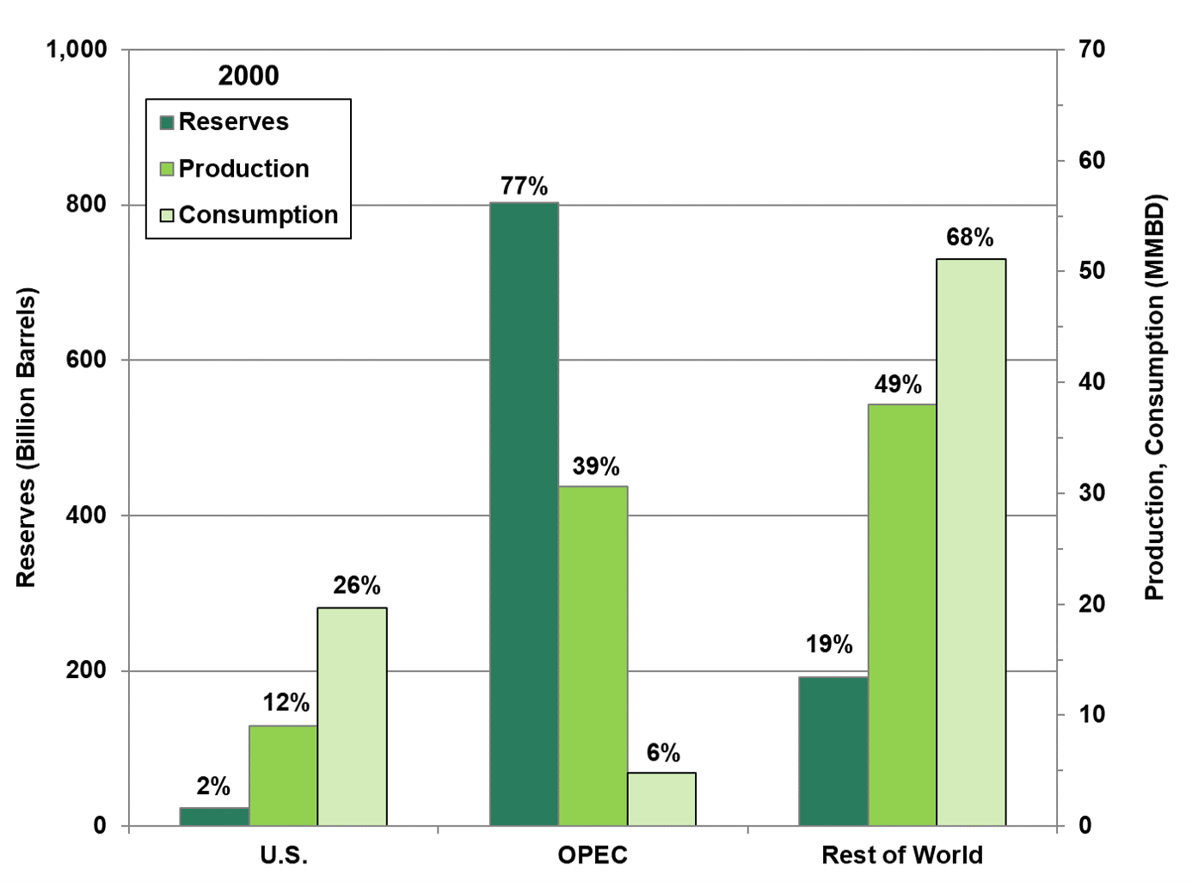

Source: See Table 1.5.

Table 1.5
World Oil Reserves, Production, and Consumption, 1980, 2000 and 2020

 |  |  | Petroleum
 | Crude oil |  | production |  | Petroleum
 | reserves |  | (million |  | consumption
 | (billion | Reserve | barrels per | Production | (million barrels) | Consumption
 | barrels) | share | day) | share | per day | share
 | 1980
United States | 31.2 | 5% | 8.6 | 13% | 17.1 | 27%
OPEC | 423.0 | 66% | 25.7 | 40% | 2.4 | 4%
Rest of world | 188.9 | 29% | 29.7 | 47% | 43.6 | 69%
 | 2000
United States | 23.2 | 2% | 9.1 | 12% | 19.7 | 26%
OPEC | 803.2 | 79% | 30.6 | 39% | 4.8 | 6%
Rest of world | 191.8 | 19% | 38.0 | 49% | 51.1 | 68%
 | 2020
United States | 47.1 | 3% | 18.6 | 20% | 20.7 | 21%
OPEC | 1,181.5 | 71% | 30.7 | 33% | 9.0 | 9%
Rest of world | 433.3 | 26% | 44.9 | 47% | 69.0 | 70%

Note: Consumption for OPEC and Rest of World in 2020 are actually 2019 consumption, which are the latest available. Total consumption is higher than total production due to refinery gains including alcohol and liquid products produced from coal and other sources. See Glossary for OPEC countries.

Sources:
Energy Information Administration, International Energy Statistics, August 2020. (Additional resources: www.eia.doe.gov)

